요약
J.LAURENT SUMMER CHIFFON BLOUSE SET
IMAGE | ITEM | COLOR | SIZE |  |  |  |  | TTL
 |  |  | 55 | 66 | 77 | 88 | 99
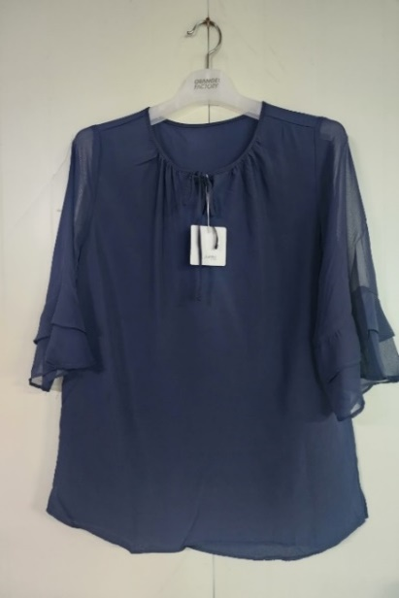 | BLOUSE | NAVY | 247 | 1,284 | 1,444 | 1,459 | 1,060 | 5,494
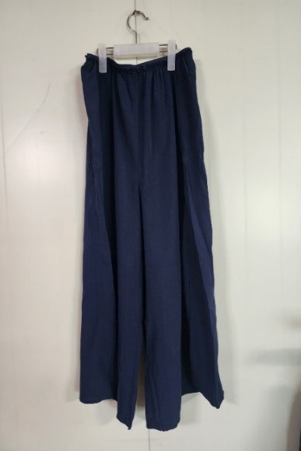 | PANTS | NAVY | 247 | 1,284 | 1,444 | 1,489 | 1,060 | 5,524
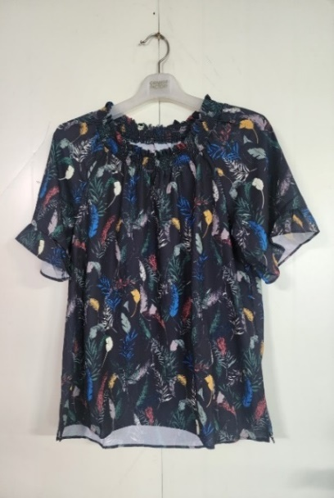 | BLOUSE | PRINT | 908 | 2,016 | 1,797 | 1,780 | 975 | 7,476
 | PANTS | NAVY | 664 | 2,156 | 1,797 | 1,840 | 975 | 7,432
TOTAL |  |  |  |  |  |  |  | 25,926

